SCM KPI FY26 DASHBOARD
PIONEER SCM KPI FY26 DASHBOARD |  |  |  | NOV
 |  |  |  |  | Operational Objectives Dashboard
KPI | Budget/Target | Actual | Status

Conversion Cost (SC only) | ₱11.00 | ₱9.90 | ● |  | Production Reports
Conversion Cost (Overall) | ₱15.00 | ₱15.56 | ●
Volume Produced MT | 1,414.9 | 1,603.4 | ● |  | OUTPUT VS TARGET |  |  |  | MACHINE UTLIZATION |  |  | RMPM SAVINGS (M) |  |  | FORECAST ACCURACY
Fill Rate | 99% | 80.8% | ● |  | 1,569.3 |  | MT |  |  |  |  | 2,428.5 | Php |  | 41.6% |  | LOCAL
OTIF | 70% | NO VALUE | ● |  |  |  |  | 99.4% | 126.9% |  |  |  |  | 72.9% |  |  | 37.7%
Operational Cost | ₱16,210,988 | ₱15,879,974 | ● |  |  |  |  |  |  |  | 23.65 |  |  |  |  |  | EXPORT
Capital Expenditures | ₱1,966,800 | ₱2,033,330 | ● |  | 1,578.6 |  | MT |  |  |  | days | 3,333.3 | Php |  |  |  | 12.2%
Variance Analysis
Efficiency Ratio
Progress on Strategic Initiatives |  |  |  |  | PRODUCTIVE TIME |  |  |  | DOWNTIME |  |  | Inventory Accuracy |  |  | FORECAST ACCURACY
Risk Assessment |  |  |  |  |  |  |  |  |  |  |  | 98.7% |  | FG | EPOXY (MARINE + CONSTRUCTION) | 45.8%
Resource Allocation |  |  |  |  | 21.2% |  |  |  | #ERROR! |  |  |  |  |  | ELASTOSEAL | 77.0%
 |  |  |  |  |  |  |  | 23.65 |  |  | 23.65 | 98.7% |  | RMPM | MIGHTY BOND | 66.9%
Financial Trend FY26 |  |  |  |  |  |  |  | days |  |  | days |  |  |  | PRO-EPOXY | 64.8%
 |  |  |  |  |  |  |  |  |  |  |  | NO DATA |  | PROD | BUILDERS BOND | 48.1%
 |  |  |  |  |  |  |  |  |  |  |  |  |  |  | COATING MARINE | 41.6%
 |  |  |  |  | DOWNTIME BREAKDOWN |  |  |  | LABOR REPORTS |  |  |  |  |  | TRASPORTATION | 27.7%
 |  |  |  |  | Idle time |  |  | 0.6% | 36,117 | Reg hrs |  | Warehouse Utlization |  |  | OTHER CONSUMER | 0.7%
 |  |  |  |  | Change Over Time |  |  | 2.2% |  |  | 32.7% | 91.0% |  |  | PRO-SEALANT | 50.3%
 |  |  |  |  | Start-up Time/Setup |  |  | 2.1% |  |  |  |  |  | FG | PRO-WATERPROOFING | 53.6%
 |  |  |  |  | Breaktime |  |  | 1.9% | 11,807 | OT hrs |  |  |  |  | PRO-PAINTING | 69.7%
 |  |  |  |  | Sanitation Time |  |  | 1.0% |  |  |  | 126.0% |  |  | PRO-ADHESIVES | 20.6%
 |  |  |  |  | Meeting |  |  | 0.2% | LABOR REPORTS (Direct Labor) |  |  |  |  | RMPM | MINING | 15.8%
 |  |  |  |  | Breakdown |  |  | 0.0% | 29,807 | OT hrs |  |  |  |  | OTHERS | 0.0%
 |  |  |  |  | Testing Time |  |  | 1.0% |  |  | 33.8%
 |  |  |  |  | Preventive Maintenance |  |  | #ERROR! |  |  |  |  |  |  | FORECAST ACCURACY
 |  |  |  |  |  |  |  |  | 10,070 | Reg hrs |  |  |  |  | LOCAL PHILIPPINES | 37.7%
Operational Cost
 | Actual | Budget
Capital Expenditures
 | Actual | Budget
 |  |  |  |  | ABSENTEEISM |  |  |  |  |  |  |  |  |  | GMA | 37.5%
 |  |  |  |  | 12.1% |  |  | 23.65 | LABOR REPORTS (Indirect Labor) |  |  |  |  |  | NORTH LUZON | 49.5%
 |  |  |  |  |  |  |  | days | 6,310 | OT hrs |  |  |  |  | SOUTH LUZON | 39.3%
 |  |  |  |  |  |  | 183 |  |  |  | 27.5% |  |  |  | VISAYAS | 38.5%
 |  |  |  |  | 524 | Absences |  |  |  |  |  |  |  |  | MINDANAO | 30.0%
 |  |  |  |  |  |  | Manpower |  | 1,738 | Reg hrs |  |  |  |  | MODERN TRADE | 69.2%
 |  |  |  |  |  |  |  |  |  |  |  |  |  |  | PSBSI | 0.0%
 |  |  |  |  | ABSENTEEISM |  |  |  |  |  |  |  |  |  | EXPORT | 12.2%
 |  |  |  |  | L06 - EPOXY |  | 11.3% |  |  |  |  |  |  |  | INDONESIA | 31.9%
 |  |  |  |  | L04B - ELASTO |  | 15.1% |  |  |  |  |  |  |  | INDIA | 0.0%
 |  |  |  |  | L03 - CYANO TUBE |  | 29.6% |  |  |  |  |  |  |  | DIRECT EXPORT | 4.7%
 |  |  |  |  | L01 - COATINGS |  | 6.2%
 |  |  |  |  | L07 - EPOXY TUBE |  | 7.4%
 |  |  |  |  | LINE 9 - EPS |  | 16.9%
 |  |  |  |  | L10 - CONTACT BOND |  | 33.8%
 |  |  |  |  | GIP L11 - SILICONE |  | 6.3%
 |  |  |  |  | L12 - SPECIAL - EPOXY BASED |  | 11.5%
 |  |  |  |  | L13 - SPECIAL |  | 19.0%
 |  |  |  |  | LINE 14 |  | 6.8%
 |  |  |  |  | L02 - CYNO BOTTLE / L05- EPOXY CLAY |  | 2.1%
 |  |  |  |  | LABELING LINE |  | 16.3%

Sheet1
CONVERSION COST
 | OCT | NOV |  | OCT | NOV
Conversion Cost (SC only) | 10.93 | 9.9 | Change Over Time | 2.6% | 2.7%
Conversion Cost (Overall) | 18.58 | 15.56 | Meeting | 0.5% | 0.2%
 |  |  | Sanitation Time | 1.2% | 0.7%
 |  |  | Start-up Time/Setup | 2.6% | 1.6%
 |  |  | Testing Time | 0.9% | 0.1%
 |  |  | Breaktime | 1.7% | 1.2%
 |  |  | Breakdown | 0.6% | 0.1%
 |  |  | Idle time | 8.8% | 4.8%
 |  |  | Preventive Maintenance | 0.0% | 0.0%

FILL RATE
 | OCT | NOV
Achievement (Value) | 71.0% | 98.2%

Capital Expenditures
 | OCT | NOV
Actual | 2042.36 | 2033.33
Budget | 1946.8 | 1966.8
Capital Expenditures

Operational Cost
 | OCT | NOV
Actual | 13498.89024 | 15879.9742
Budget | 16189.43126 | 16210.98783
Operational Cost

OPERATIONAL OBECTIVE
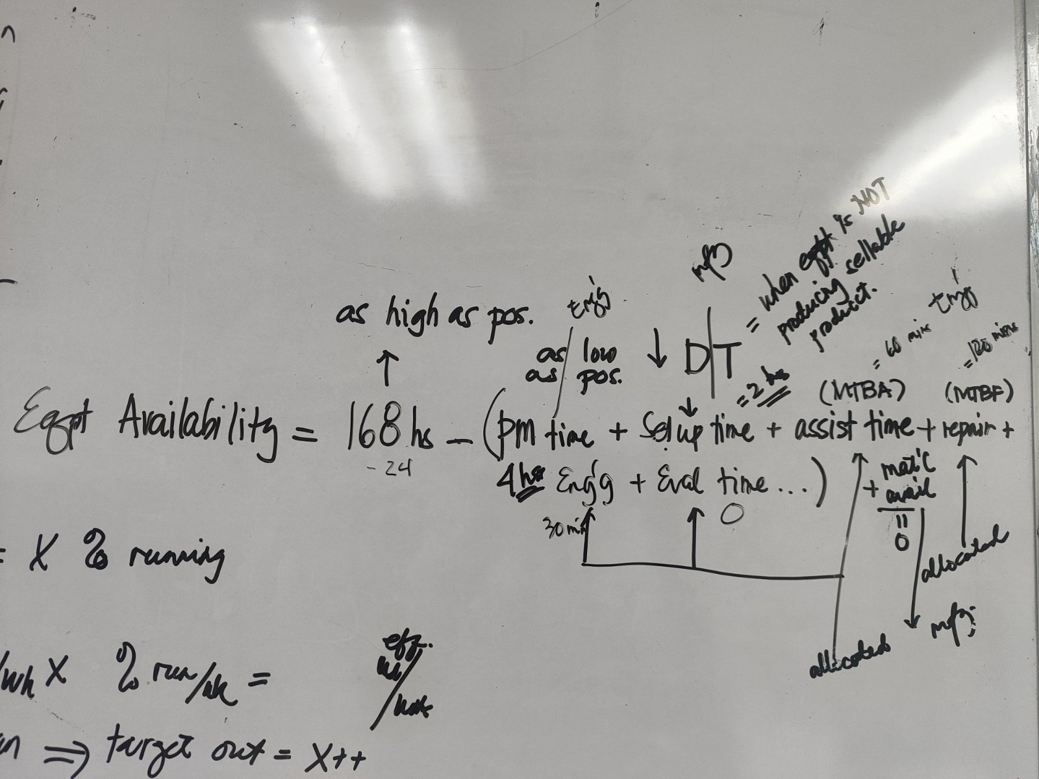
OPERATIONAL OBJECTIVES

 | PRIORITY | LESS PRIORITY
PRODUCTION
 | CHANGE OVER >>> AVE HOURS |  | KPI
 | CHANGE OVER >>> PLAN vs ACTUAL (FREQ ACTUAL AND PLAN TIME vs ACTUAL TIME) |  | KPI
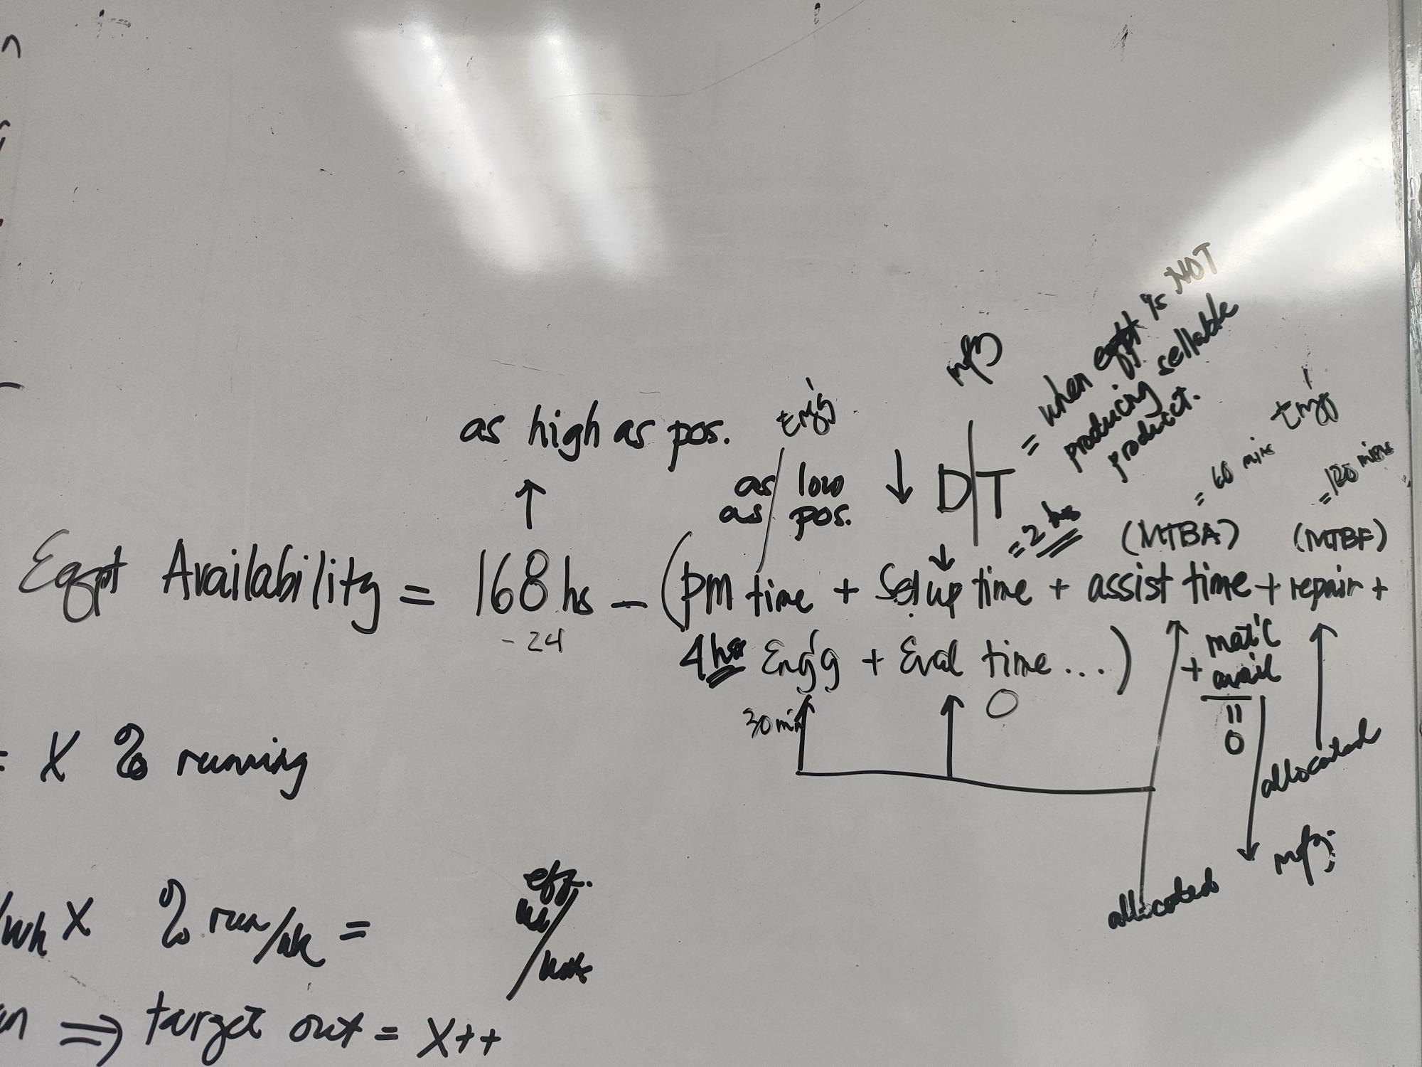
 | INTERNAL REJECTION |  | KPI | BONUS BACK FOR ALL HOLD IF NO REWORK / NO CONCESSION
 | WASTE (PROCESS INHERENT) |  | KPI | WASTE PERCENTAGE
 | Material Usage (Yield Rate) (BACKFLUSH + ADJUSMENT) |  | KPI
 | >>> MONITORING OF ADJUSMENT |  | MONITORING
 | OEE (PER LINE) | OEE (PER MACHINE) - PRODUCTIVE TIME/AVAILABILITY | KPI
 | ELOR (PER LINE) | EFFECTIVE LINE OPERATING RATE (PER MACHINE) | KPI | AVAILABILITY = LESS PLANNED DOWNTIME QUALITY = GOOD / OUTPUT (GOOD+REJECT) RATE = ACTUAL OUTPUT / THEORETICAL OUTPUT
 | ELUR (PER LINE) | EFFECTIVE LINE UTILIZATION RATE (PER MACHINE) | KPI | AVAILABILITY = 24 HOURS QUALITY = GOOD / OUTPUT (GOOD+REJECT) RATE = ACTUAL OUTPUT / THEORETICAL OUTPUT
 | COMPLIANCE TO SCHEDULE |  | KPI | WEEKLY COMPLIANCE - PRODUCTION ORDER (VOLUME IN KGS)

OVERALL
 |  | NUMBER OF REGULAR | MONITORING
 |  | NUMBER OF NON-REGULAR | MONITORING

 |  | CUSTOMER COMPLAINT | MONITORING | COMPLAINT OTHER THAN PRODUCT FEATURE
 |  | Hazard Identified | MONITORING
 |  | Safety Violation | MONITORING

 |  | Retention Rate | MONITORING | Current vs Plan

 |  | MANPOWER PLAN | MONITORING

ENGINEERING
 | FUEL | ACTUAL VS PLAN | KPI | WITH ALLOCATION PER BUILDING | Ms. Amor
 | WATER | ACTUAL VS PLAN | KPI | WITH ALLOCATION PER BUILDING | Ms. Amor
 | ELECTRICITY | ACTUAL VS PLAN | KPI | WITH ALLOCATION PER BUILDING | Ms. Amor
 | FACILITY MAINTENANCE | ACTUAL VS PLAN | KPI | WITH ALLOCATION PER BUILDING | Ms. Amor

PLANNING
 | DIO (based on P&L COGS)
 | LID
 |  | LRA WAREHOUSE | MONITORING
 |  | WAREHOUSE UTILIZATION | MONITORING
 |  | INVENTORY DISTRIBUTION | MONITORING | CORE/EMERGING/NTE/EXPIRED/FOR WRITE OFF
 |  | INVENTORY ACCURACY | MONITORING
 |  | FORECAST ACCURACY | MONITORING

WHSE | OTIF PER PESO VALUE |  | KPI | OTIF PER LINE ITEM
 | FILL RATE (SC FILLRATE) |  | KPI
 |  | FILL RATE (CORP FILLRATE) | MONITORING
 |  | FILL RATE (CORP FILLRATE) - CORE | MONITORING
 |  | FILL RATE (CORP FILLRATE) - EMERGING | MONITORING
 |  | BREAKDOWN OF NON-OTIF | MONITORING
 |  | STOCK OUTS | MONITORING
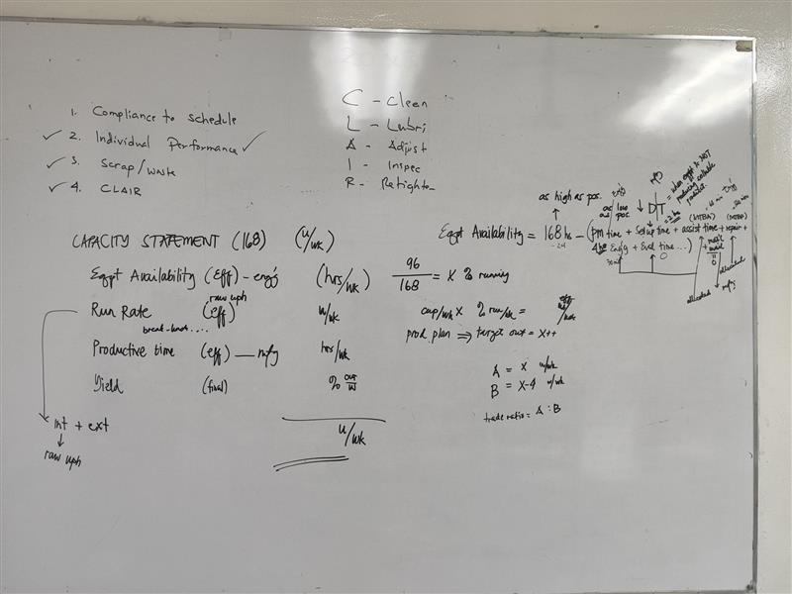
 |  | OTDL | MONITORING

 | FREIGHT COST - PER KILO |  | KPI
 |  | ISSUANCE TURNAROUND TIME (INBOUND) | MONITORING
 |  | RECEIVING TURNAROUND TIME | MONITORING
 |  | FREIGHT COST UTILIZATION IMPORTATION | MONITORING

PROC | SAVINGS |  | KPI
 | P.O CONFORMANCE |  | KPI
 |  | RM/PM PRICE ANALYSIS | MONITORING

